Bug Report
Sl no | Date | Module | Issue | Screenshot | Steps to Recreate | Priority | Reported By | Status | Environment | Issue Type
1 | 04/05/2026 | Navigation | Search functionality not available |  | 1. Open homepage 2. Look for searchbar | High | Mekha S Murali | Open | Candymapper.com | Bug

2 | 04/05/2026 | Contact Form | Typo and incorrect message: “inquiry” spelling |  | 1. Open candymapper.com 2. Navigate to Contact Us 3. Submit the form 4. Observe confirmation message | Low | Mekha S Murali | Open | Candymapper.com | Bug

3 | 04/05/2026 | Contact Form | Unrealistic response time “48 Years” |  | 1. Open candymapper.com 2. Navigate to Contact Us 3. Submit the form 4. Observe confirmation message | Medium | Mekha S Murali | Open | Candymapper.com | Bug

4 | 04/05/2026 | Login | Password field doesn't have show/hide (eye icon) functionality | 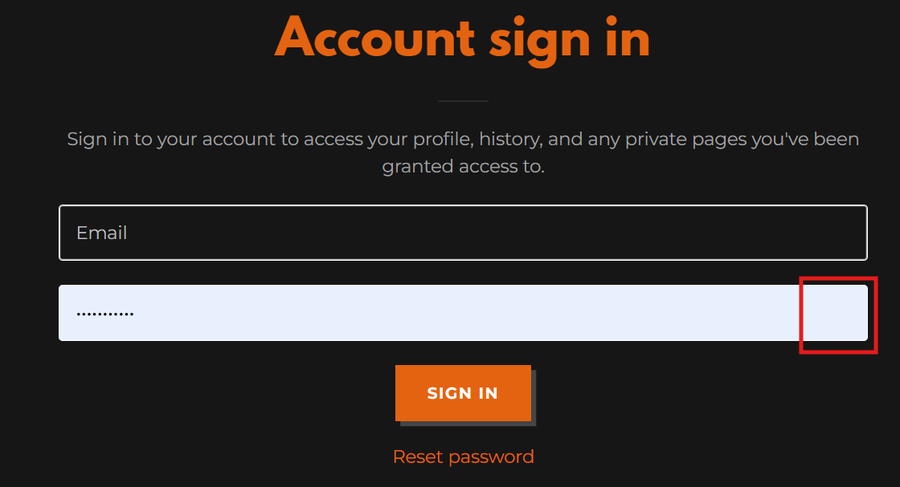 | 1. Open candymapper.com 2. Navigate to Login page 3. Enter password 4. Observe password field | Low | Mekha S Murali | Open | Candymapper.com | Suggestion

5 | 04/05/2026 | Homepage / Navigation | “Site Contents” items are not clickable | 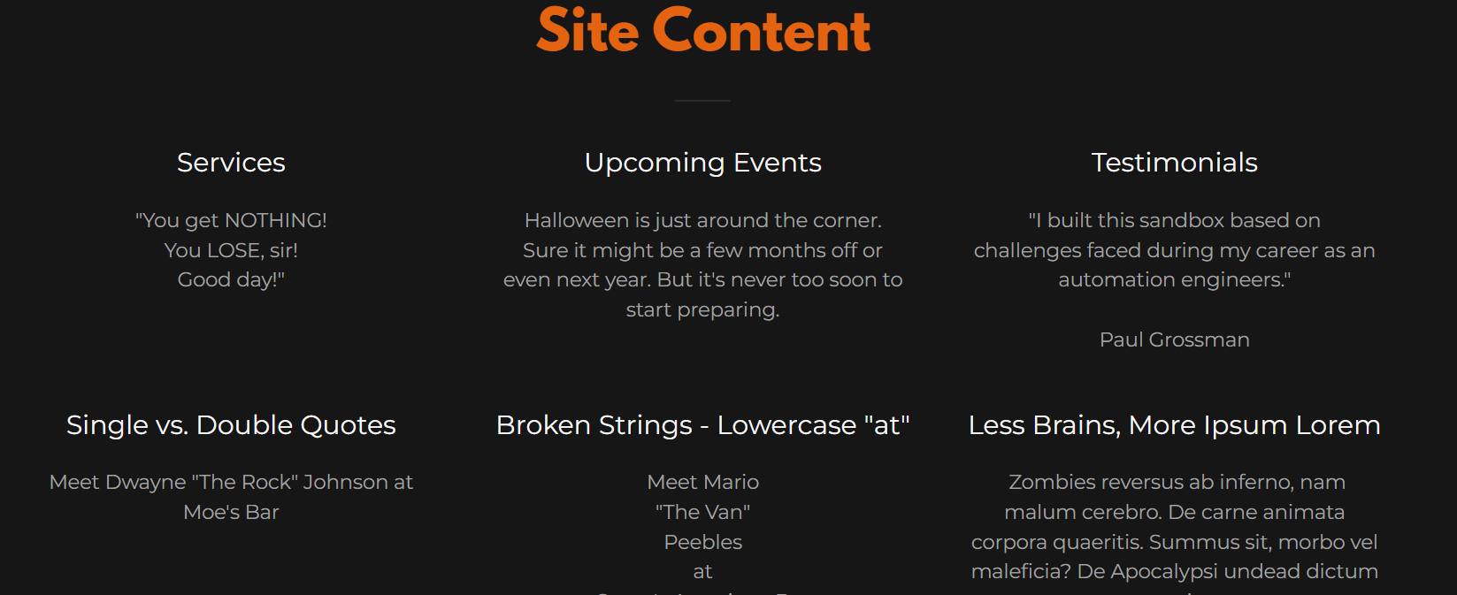 | 1. Open candymapper.com 2. Scroll to “Site Contents” section 3. Click on listed items | Medium | Mekha S Murali | Open | Candymapper.com | Bug

6 | 04/05/2026 | Download | Downloaded “zombie.png” does not display image | 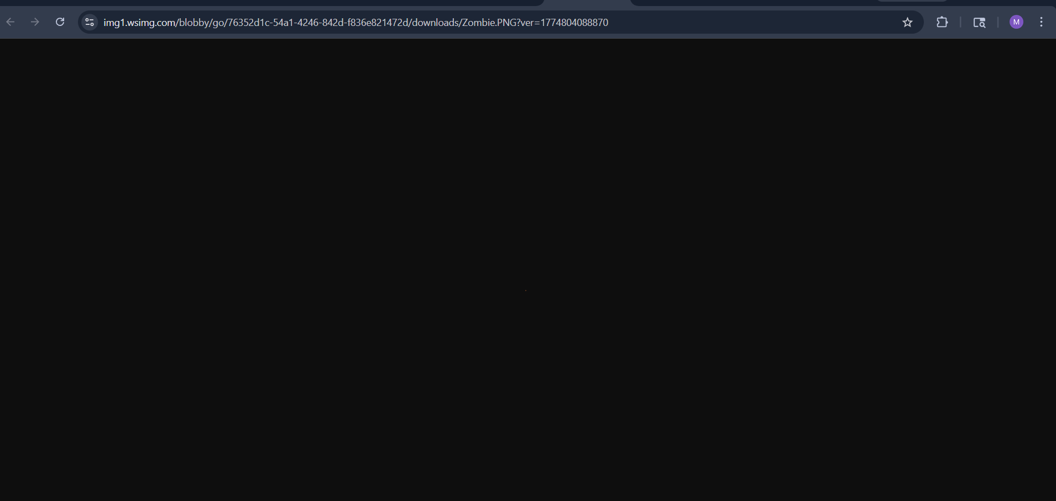 | 1. Open candymapper.com 2. Go to Download section 3. Download zombie.png 4. Open file | Medium | Mekha S Murali | Open | Candymapper.com | Bug

7 | 04/05/2026 | More / Launch Candymapper | Page takes excessive time to load (slow loading with spinner) | 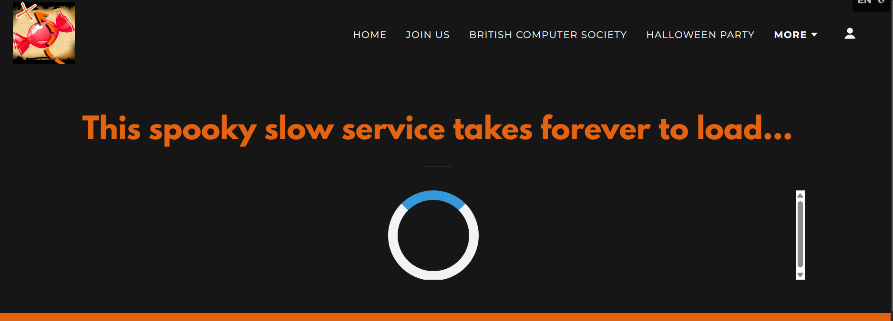 | 1. Open candymapper.com 2. Navigate to “More” section 3. Click “Launch Candymapper” 4. Observe loading time | Medium | Mekha S Murali | Open | Candymapper.com | Bug

8 | 04/05/2026 | Navigation | Add search functionality to website |  | 1. Open homepage 2. Look for search option | Medium | Mekha S Murali | Open | Candymapper.com | Suggestion

9 | 04/05/2026 | Dropdown | No change after selecting a country from dropdown | 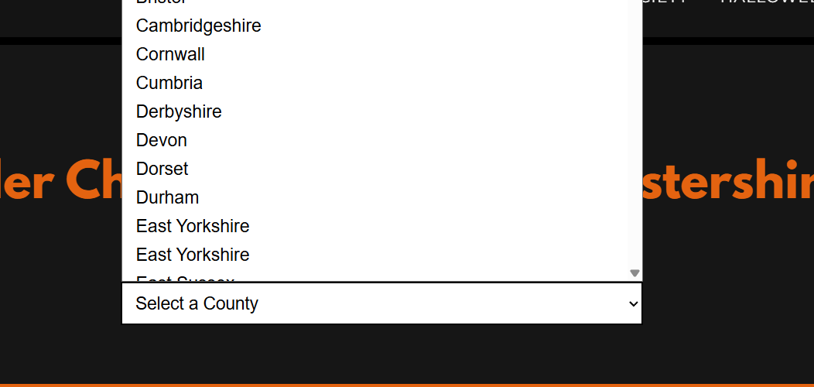 | 1. Open candymapper.com 2. Navigate to form/dropdown section 3. Select a country 4. Observe behavior | Medium | Mekha S Murali | Open | Candymapper.com | Bug

10 | 04/05/2026 | UI/UX | Button label “ZOMBIE IPSUM” is unclear and not meaningful | 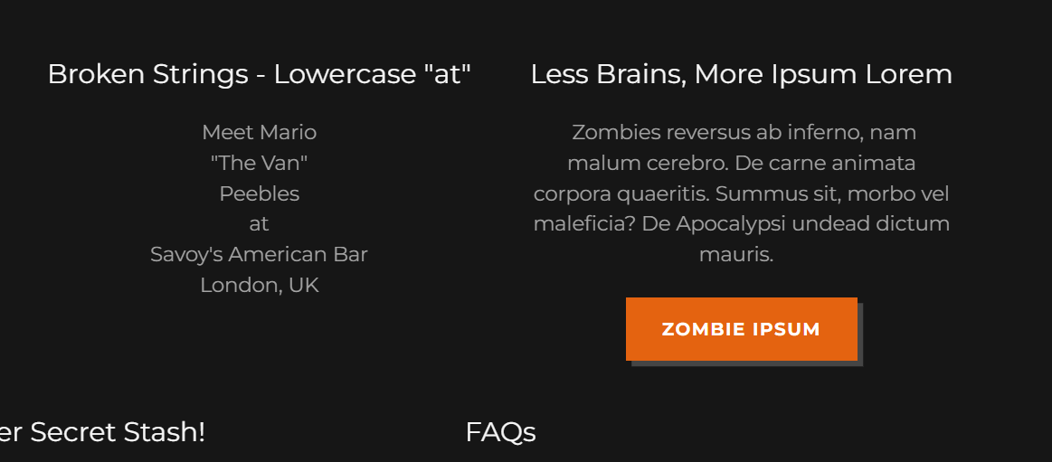 | 1. Open homepage 2. Locate site content 3. Observe label | Low | Mekha S Murali | Open | Candymapper.com | Bug

